requirements
 | Order Tracking
 | Order Details |  |  |  |  |  | B2B or B2C |  | B2B Customer
 |  |  |  |  |  |  | Customer |  | Credit
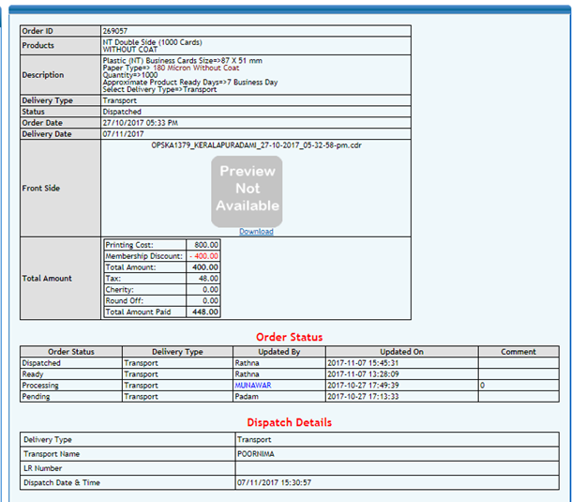
 |  |  |  |  |  |  |  |  | Dashboard
 |  |  |  |  |  |  | Place Order

 |  |  |  |  |  |  | Admin panel

 |  |  |  |  |  | Printer | Paster

 |  |  |  |  |  |  | Account

 |  |  |  |  |  |  | Dispatch

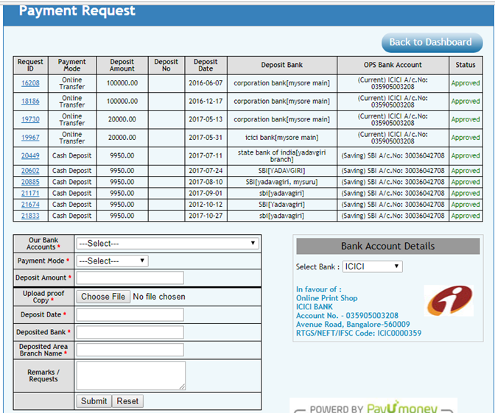

 | 1 | Product display
 | 2 | we are into customised printing business, we serve both B2b and B2c
 |  | we deal with following products
 |  |  |  |  |  | size | image upload | Online desin
 |  |  |  |  |  |  |  | tool
a | Printing Products |  | 1 | Solvent Print | Flex - Print | variable | yes | yes
 |  |  |  |  | Backlit - Print | variable | yes | yes
 |  |  |  |  | Vinyl - Print | variable | yes | yes

 |  |  | 2 | Eco Solvent Print | Flex -print | variable | yes | yes
 |  |  |  |  | Vinyl - Print | variable | yes | yes
 |  |  |  |  | One way vision - Print | variable | yes | yes
 |  |  |  |  | Tranlsite - Print | variable | yes | yes
 |  |  |  |  | canvas - Print | variable | yes | yes

 |  |  | 3 | Digital Card Print | Card Print | fixed | yes | yes
 |  |  |  |  | Sticker Print | fixed | yes | yes
 |  |  |  |  | Texture Card Print | fixed | yes | yes
 |  |  |  |  | Visiting card | fixed | yes | yes
 |  |  |  |  | Brochure leaflets | fixed | yes | yes

 |  |  | 4 | Sublimation Products | Mug |  | yes | yes
 |  |  |  |  | Tshirt |  | yes | yes
 |  |  |  |  | Plate |  | yes | yes

b | Ready to sale Products |  | 1 | Advertsigin products | Adhesive | no | no | no
 |  |  |  | and accessories | Silicon | no | no | no
 |  |  |  |  | Display stand | no | no | no
 |  |  |  |  | X Banner stand | no | no | no

 |  |  | 1 | we need an Web to print e commerce wesite , where users can upload their desired design and we get it printed and deliver it to them
 |  |  | 2 | user should be able to the status of the order
 |  |  | 3 | user should see the accounts statement
 |  |  | 4 | user can see their credit limit and credit periob ( Only for B2b)

 |  |  | pages
 |  |  |  | 1 | the admin should be able to edit the order
 |  |  |  | 2 | order cancellation
 |  |  |  | 3 | we should be able to offline order
 |  |  |  | 4 | user wize login
 |  |  |  |  | in user wize, can we give access details, he can view the payment details or not, or he can view the cutomer details or not and so on
 |  |  |  |  | can we create more roles of the user, pasting person, installing person and so on
 |  |  | Flex order |  | we need size flexible size opiton, like giving size of desired height and width
 |  |  | dashboard | 5 | user wize B2b Account balance option
 |  |  | dashboard | 6 | offline payment request
 |  |  | dashboard | 7 | order details
 |  |  | Main Page | 8 | Search Box with suggestion
 |  |  | Main Page | 9 | Product category with product option
 | main page | and | Dashboard | 10 | , there should be an opiton for Tracking order
 |  |  |  |  | from main if they click track order, they’ll be redirected to Login page with user id and password
 |  |  |  |  | if they click track order from dashboard, they be able to directly track order
 | main page | and | Dashboard | 11 | Live chat on main page or dashboard with timing prefined 10.30 am to 8pm
 |  |  |  | 12 | only selected users should be given credit opiotn
 |  |  |  | 14 | all account should be exported to an excel file ( to be imported in tally accounting software )
 |  |  |  | 15 | work flow management, complex work should be divided into different user
 |  |  |  |  | work flow management, each order can allocated to different user as per the managers choice

Main Page
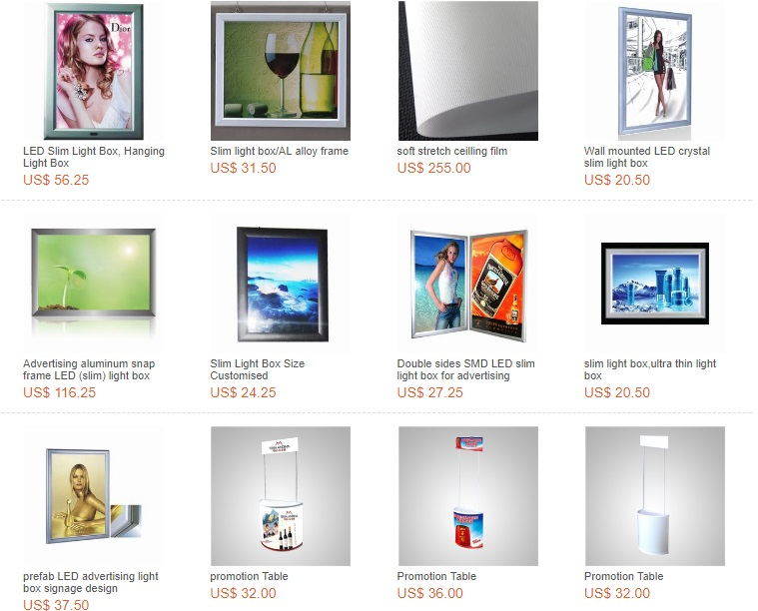
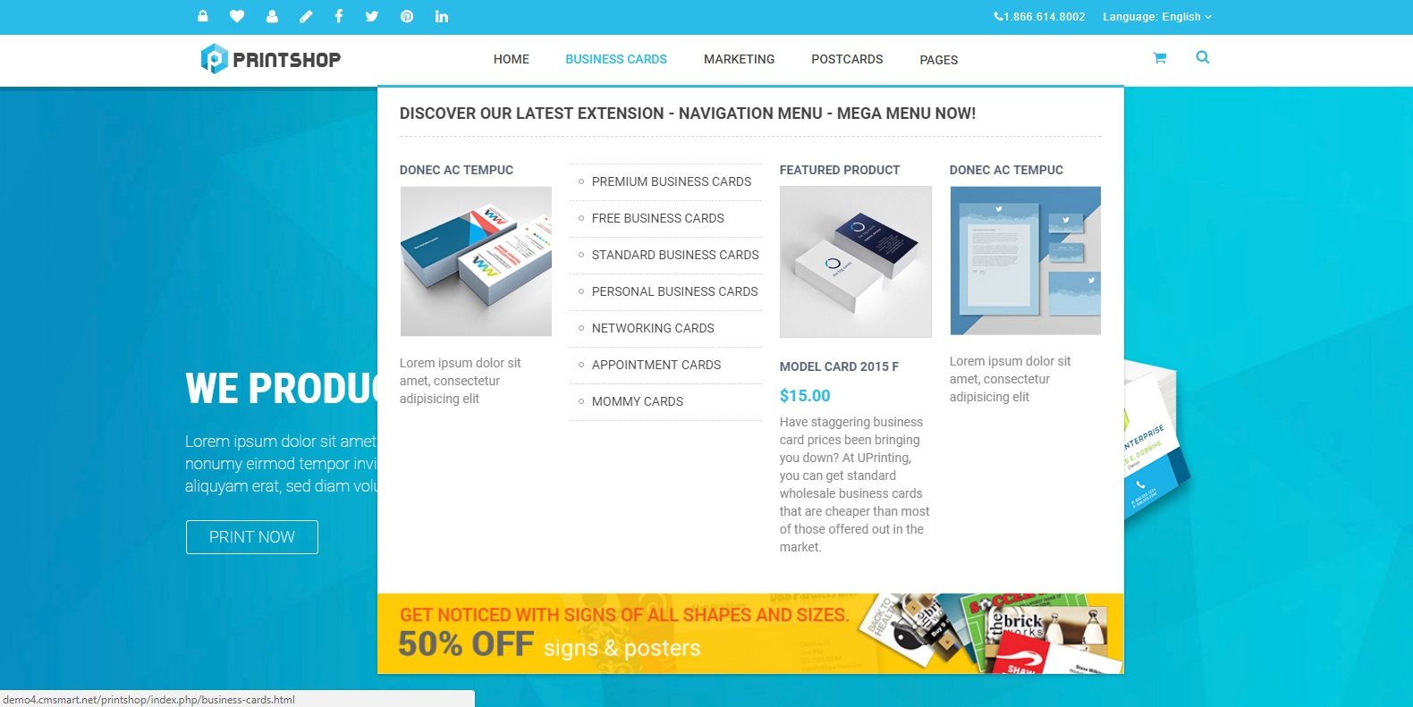
Track order

 | Track order

Product category
with sub products

search box
with suggestions

Customer Dashboard
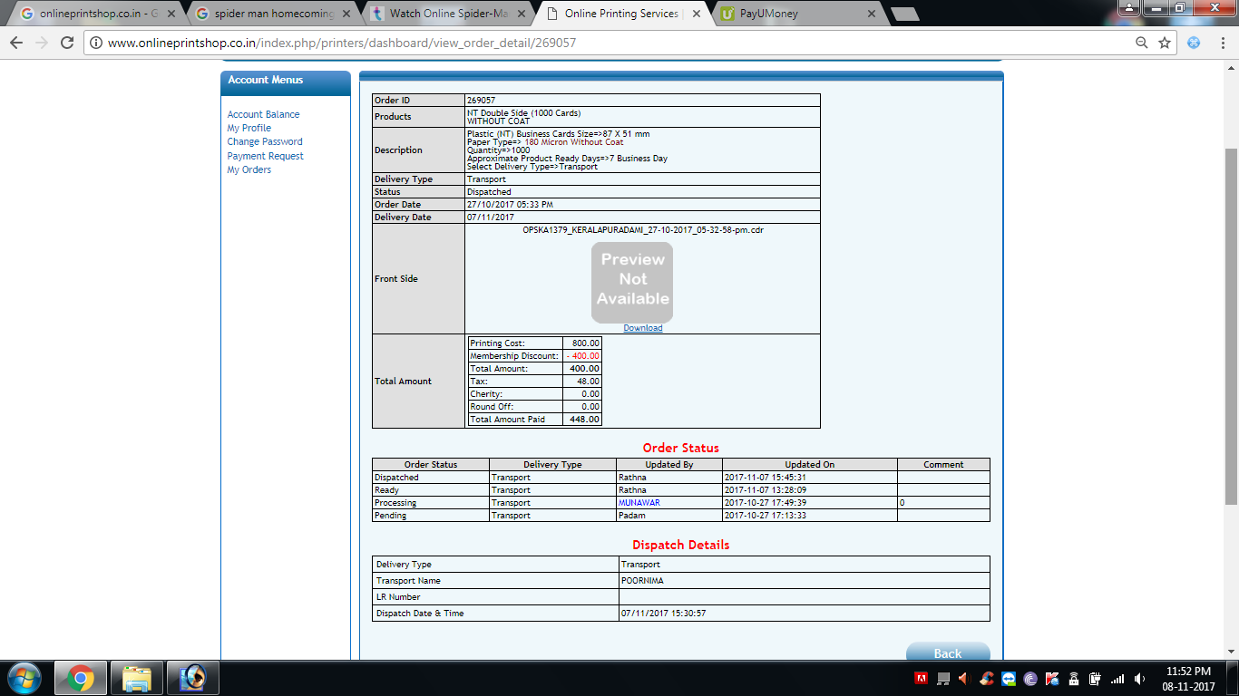
1 | Below are some of the picture of our requirements
a | Account Balance
b | opffline payment
c | order history

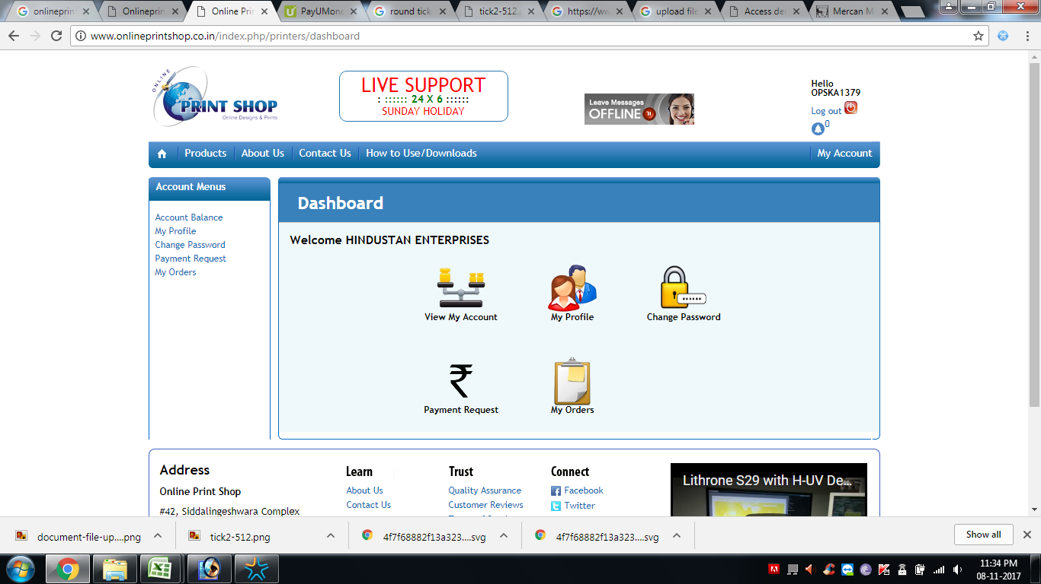

My price list

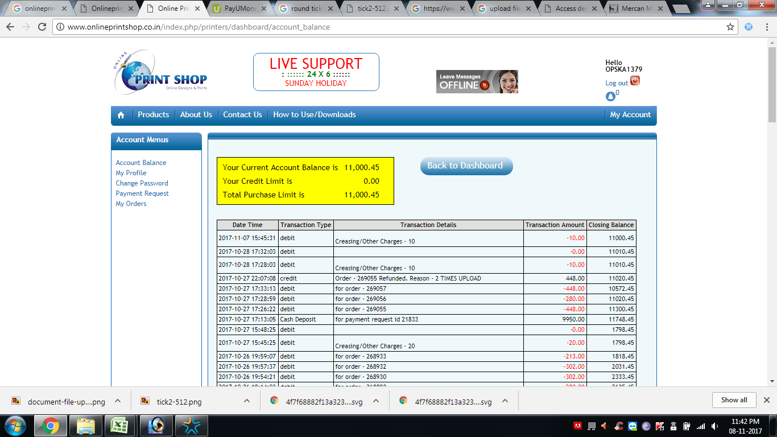

account balance

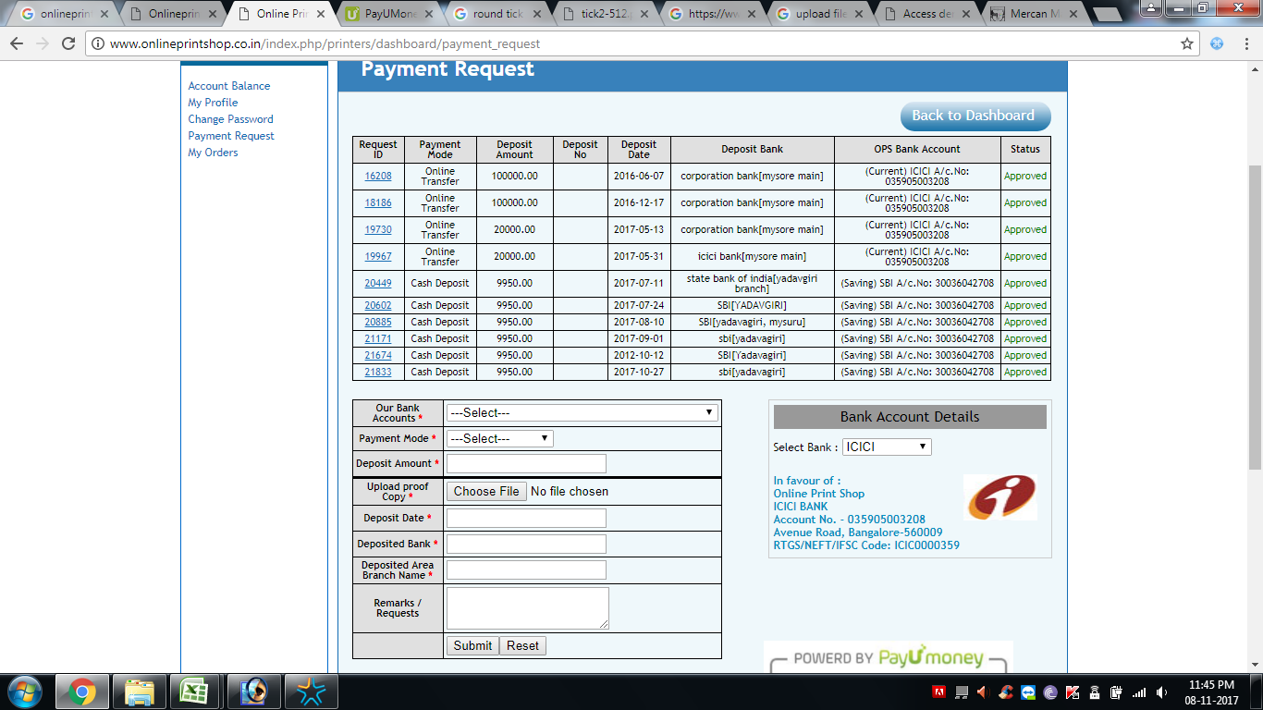

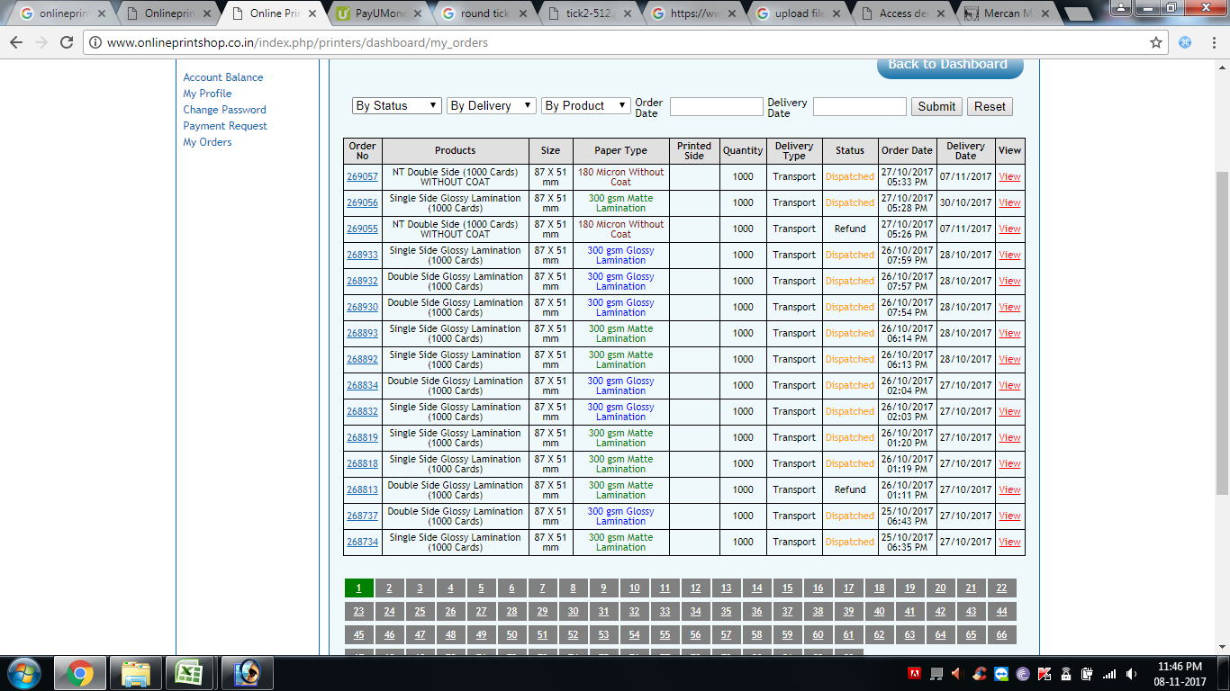

 |  | Printing status | Dispatch statud

 |  | Pending | yes
 |  | started | no
 |  | finished

Flex order
 | 1 | Below are requirement for taking order
 | a | variable size and units
 | b | eyelet and delivery opitons

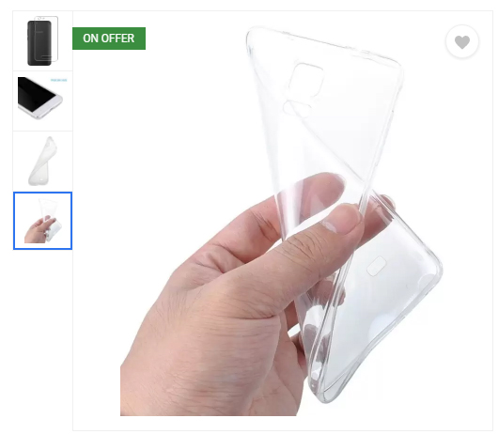

 |  |  |  |  |  |  |  |  |  |  |  | Prodct image, with option of other smaller image

Product image

 |  |  |  |  |  |  | Image Upload

 |  |  |  |  |  | ( Max 2mb ) |  |  |  |  |  | ( try for google drive )

 | link for you file
 | ( More thank 25mb ) |  | www.upload.com

Enter | Project Name ( For Client ) |  |  |  |  |  |  |  |  |  |  | for cutomer reference
 |  |  |  |  |  |  |  |  |  |  | Total sqft
Enter | size |  | Height | 2 | inch, feet, cm, meter |  | Width | 4 | inch, feet, cm, meter |  | 8 | this should appear only upton product is given option

Enter | Qantity

tick | Eyelets |  |  | Metal |  | Plastic |  |  |  |  |  | This shoud appear only for selected Products

Tick | Delivery |  |  | Self Pick up |  | Door Delivery |  | Courier |  | Tranport |  | self pick up and door delivery should only appear for mysore customer
 |  |  |  | ( Mysore ) |  | ( Mysore ) |  | ( Inter City ) |  | ( Inter City ) |  | Courier and transport will be calculated on item weight and size or minium price will be given

Enter | notes for processing |  |  |  |  |  |  |  |  |  |  | note for us like special request like special packing, fast shipping

 |  | Total sqft | rate | value
 | Product name |  |  |  |  |  |  |  |  |  |  | All calculatin we be converted from inch/cm/ft to sqft, calculation formula will be provided
 | Eyelet |  |  |  |  |  |  |  |  |  |  | all rates will be predefined customer wise
 | Transportation |  |  |  |  |  |  | Accept Term and Conditions
 | GST
 | Total Value |  |  |  |  |  | Place this Order

 | under flex, we want option to creatie nubmer of flex items
 | same fore vinyl and digital print
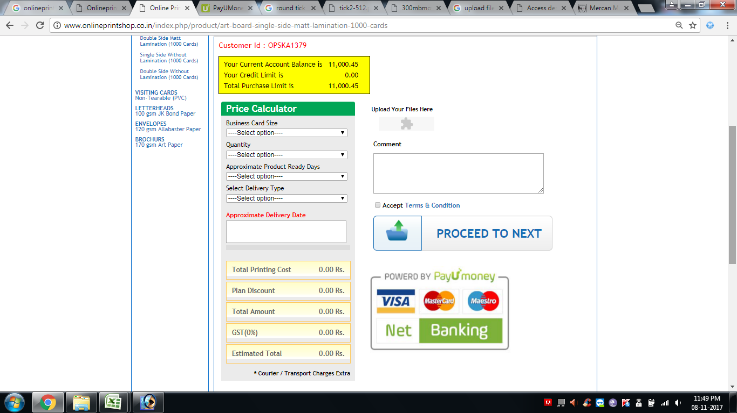

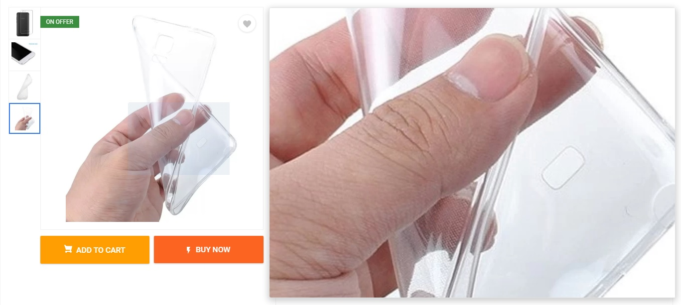

 |  |  |  |  |  |  |  |  |  | Cursor zoom option

Flex order new
 | Product image |  |  |  | prodcut information or description

 | your current account balance : |  | 225627
 | your Credit Limit is : |  | 500000 |  |  |  |  |  |  |  | same
 | Your Credit Period is: |  | 90days |  |  |  |  |  |  |  | as
 |  |  |  |  |  |  |  |  |  |  | above
 | order number |  | 3456
 | Project Name |  | infosys

 | order no | sl no | units | Height | Width | Quantity | Eyelet | Max 50mb | Link
 | 3456 | 1 | Down down | 3 | 6 | 3 | Drop Down | upload | weshare
 | 3456 | 2 | Feet | 4 | 5 | 1 | Plastic | upload |  |  | same
 | 3456 | 3 | Inch | 2.25 | 4,75 | 5 | Metal | upload |  |  | as
 |  |  | Cm |  |  |  | None | upload |  |  | above
 |  | Add

 | Delivery |  |  | Self Pick up |  | Door Delivery |  | Courier |  | Tranport
 |  |  |  | ( Mysore ) |  | ( Mysore ) |  | ( Inter City ) |  | ( Inter City )

 | notes for processing

 | Height | Width | Quantity | Eyelet | sqft | rate | value | GST % | HSN
 | 3 | 6 | 3 | Metal | 54 | 7 | 378 | 18 | 3920
 | 4 | 5 | 1 | Metal | 20 | 7 | 140 | 18 | 3920
 | 2.25 | 4.75 | 5 | Metal | 54 | 7 | 378 | 18 | 3920
 | Metal Eyelet |  |  |  | 3 | 5 | 15 | 18 | 4778
 | Transport |  |  |  |  |  | 50 | 18% | 9997
 | Coupon Code
 | Total |  |  |  |  |  | 961
 | CGST |  |  |  |  |  | 86.49
 | SGST |  |  |  |  |  | 86.49
 | IGST
 | Roundoff |  |  |  |  |  | 0.02
 | Grand Total |  |  |  |  |  | 1134

 |  | Accept Term and Conditions

 | Place this Order

 |  |  |  |  |  |  |  |  |  |  |  | Prodct image, with option of other smaller image

Product image

 | Accounts balance info |  |  |  |  |  |  |  |  |  |  | account balance info only will be visible to B2B Customer
 | your current account balance : |  |  |  |  |  | Image Upload |  |  |  |  | upon giving credit limit or credit period
 | your Credit Limit is :
 | Your Credit Period is:
 |  |  |  |  |  | ( Max 25mb ) |  |  |  |  |  | ( try for google drive )

 | link for you file
 | ( More thank 25mb )

Enter | Project Name |  |  |  |  |  |  |  |  |  |  | for cutomer reference

Tick | Size units |  |  | ft |  | inch |  | cm |  |  |  | this should appear only upton product is given option

Enter | size |  |  | Height |  | Width |  |  |  |  |  | this should appear only upton product is given option

Enter | Qantity

tick | Eyelets |  |  | Metal |  | Plastic |  | None | 3920 |  |  | This shoud appear only for selected Products

Tick | Delivery |  |  | Self Pick up |  | Door Delivery |  | Courier |  | Tranport |  | self pick up and door delivery should only appear for mysore customer
 |  |  |  | ( Mysore ) |  | ( Mysore ) |  | ( Inter City ) |  | ( Inter City ) |  | Courier and transport will be calculated on item weight and size or minium price will be given

Enter | notes for processing |  |  |  |  |  |  |  |  |  |  | note for us like special request like special packing, fast shipping

 |  | Total sqft | rate | value
 | Product name |  |  |  |  |  |  |  |  |  |  | All calculatin we be converted from inch/cm/ft to sqft, calculation formula will be provided
 | Eyelet |  |  |  |  |  |  |  |  |  |  | all rates will be predefined customer wise
 | Transportation |  |  |  |  |  |  | Accept Term and Conditions
 | GST
 | Total Value |  |  |  |  |  | Place this Order

 | under flex, we want option to creatie nubmer of flex items
 | same fore vinyl and digital print

 |  |  |  |  |  |  |  |  |  | Cursor zoom option

Vinyl Order
 |  |  |  |  |  |  |  |  | Prodct image, with option of other smaller image

Product image

 | Accounts balance info |  |  |  |  |  |  |  | account balance info only will be visible to B2B Customer
 | your current account balance : |  |  |  |  | Image Upload |  |  | upon giving credit limit or credit period
 | your Credit Limit is :
 | Your Credit Period is:

 | link for you file
 | ( More thank 25mb )

Tick | Size units |  |  | ft | inch |  | cm |  | this should appear only upton product is given option

Enter | size |  |  | Height | Width |  |  |  | this should appear only upton product is given option

Enter | Qantity

tick |  |  |  |  |  |  |  |  | This shoud appear only for selected Products

Tick | Delivery |  |  | Self Pick up | Door Delivery |  | Courier | Tranport | self pick up and door delivery should only appear for mysore customer
 |  |  |  | ( Mysore ) | ( Mysore ) |  | ( Inter City ) | ( Inter City ) | Courier and transport will be calculated on item weight and size or minium price will be given

Enter | notes for processing |  |  |  |  |  |  |  | note for us like special request like special packing, fast shipping

 |  | Total sqft | rate | value
 | Product name |  |  |  |  |  |  |  | All calculatin we be converted from inch/cm/ft to sqft, calculation formula will be provided
 | Eyelet |  |  |  |  |  |  |  | all rates will be predefined customer wise
 | Transportation |  |  |  |  |  | Accept Term and Conditions
 | GST
 | Total Value |  |  |  |  | Place this Order

 |  |  |  |  |  |  |  | Cursor zoom option

Digital Print order
 |  |  |  |  |  |  |  |  | Prodct image, with option of other smaller image

Product image

 | Accounts balance info |  |  |  |  |  |  |  | account balance info only will be visible to B2B Customer
 | your current account balance : |  |  |  |  | Image Upload |  |  | upon giving credit limit or credit period
 | your Credit Limit is :
 | Your Credit Period is:

 | link for you file
 | ( More thank 25mb )

Enter | Qantity

tick |  |  |  |  |  |  |  |  | This shoud appear only for selected Products

Tick | Delivery |  |  | Self Pick up | Door Delivery |  | Courier | Tranport | self pick up and door delivery should only appear for mysore customer
 |  |  |  | ( Mysore ) | ( Mysore ) |  | ( Inter City ) | ( Inter City ) | Courier and transport will be calculated on item weight and size or minium price will be given

Enter | Order reference text |  |  |  |  |  |  |  | for cutomer reference

Enter | notes for processing |  |  |  |  |  |  |  | note for us like special request like special packing, fast shipping

 |  | Total Qty | rate | value
 | Product name |  |  |  |  |  |  |  | All calculatin we be converted from inch/cm/ft to sqft, calculation formula will be provided
 | Transportation |  |  |  |  |  | Accept Term and Conditions |  | all rates will be predefined customer wise
 | GST
 | Total Value |  |  |  |  | Place this Order

 |  |  |  |  |  |  |  | Cursor zoom option

